Data Aug Details
Speaker | Layer Frozen | Training Loss Graph | Training Accuracy Graph | Accuracy | % Change from Normal

F05 | Augmented_F05_D3 | 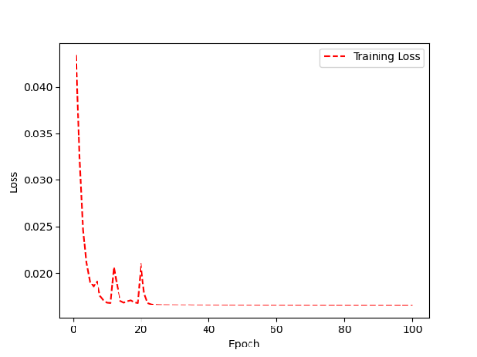 | 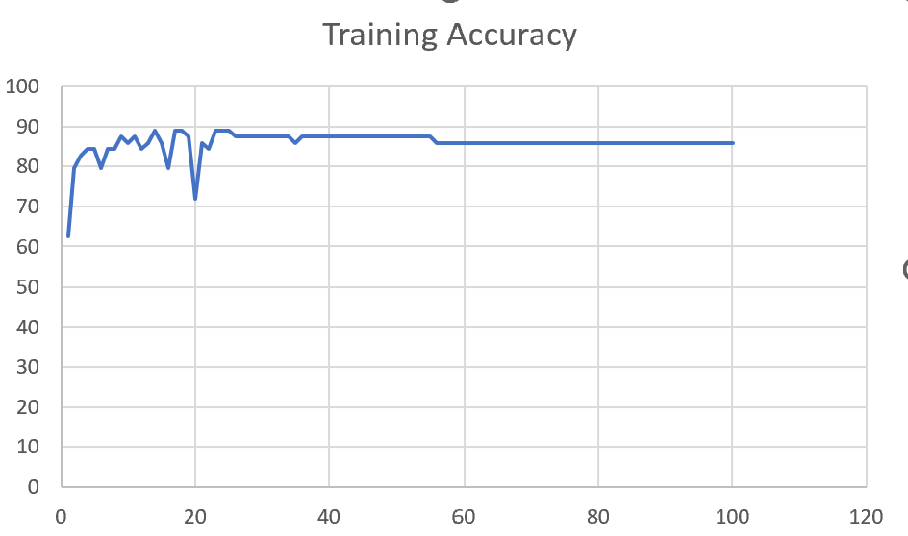 | 93 | 2

 | Augmented_F05_TE | 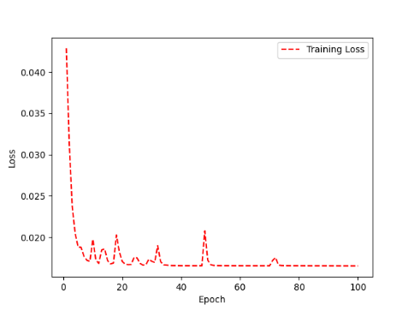 | 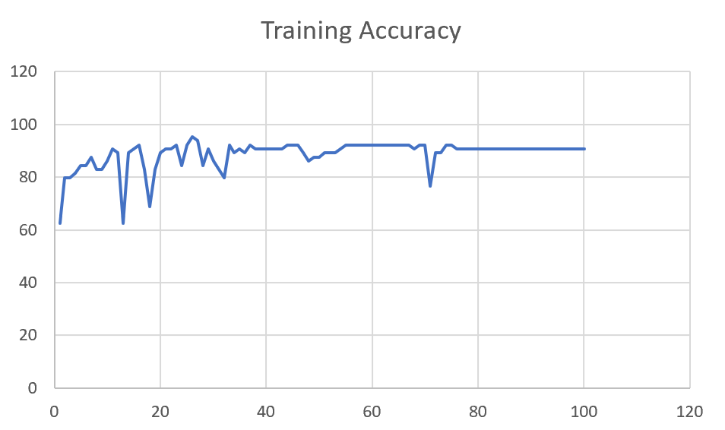 | 93 | 3

M08 | Augmented_M08_T3+D123 | 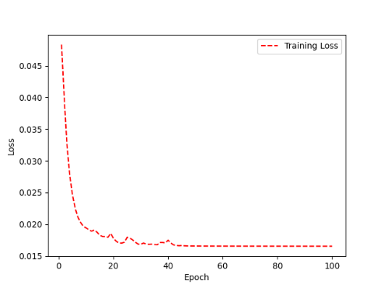 | 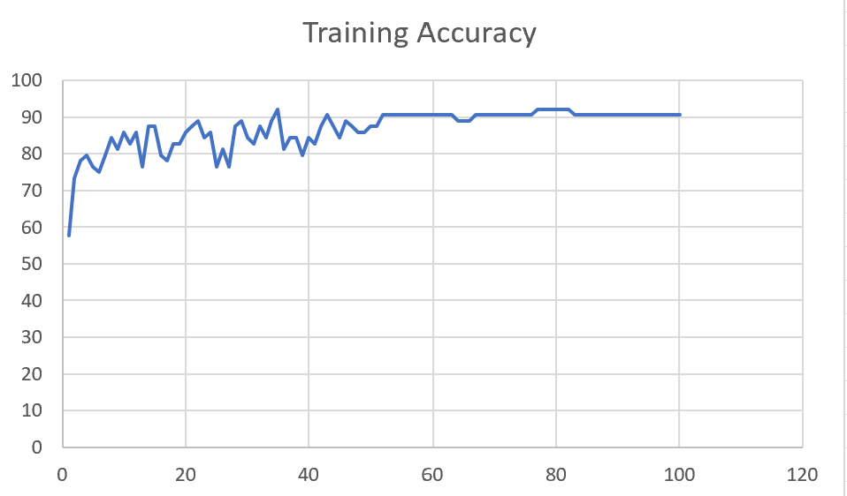 | 88 | 4

 | Augmented_M08_T3+D12 | 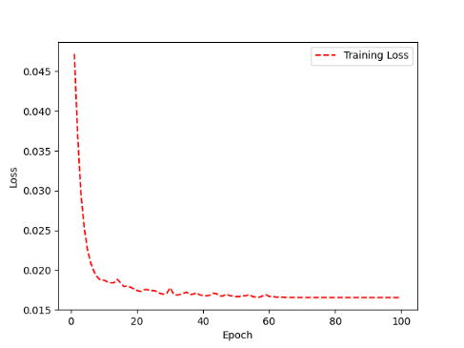 | 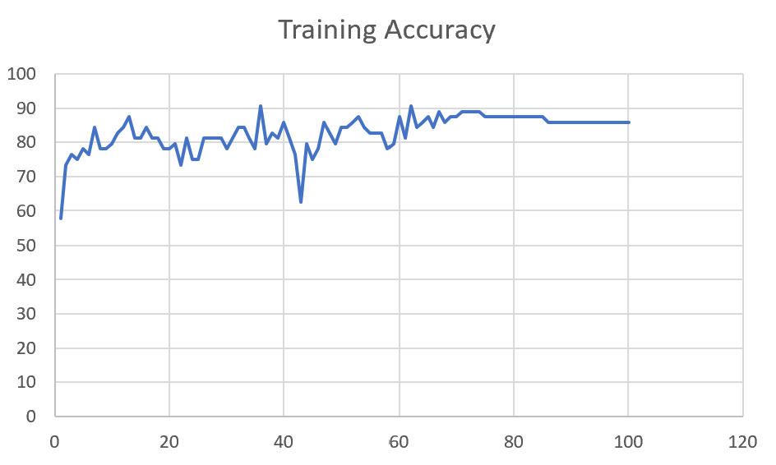 | 88 | 6

M10 | Augmented_M10_T3+D1 | 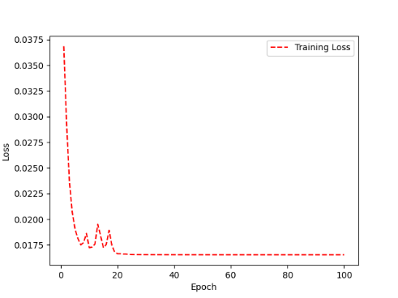 | 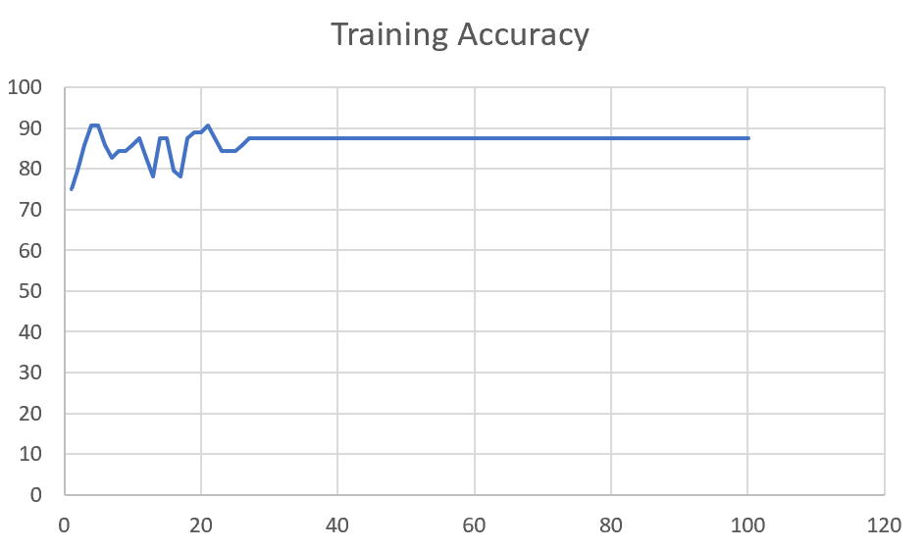 | 91 | -1

 | Augmented_M10_E1 | 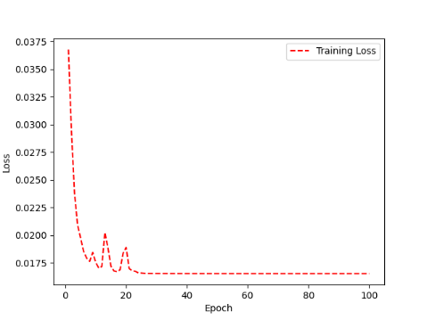 | 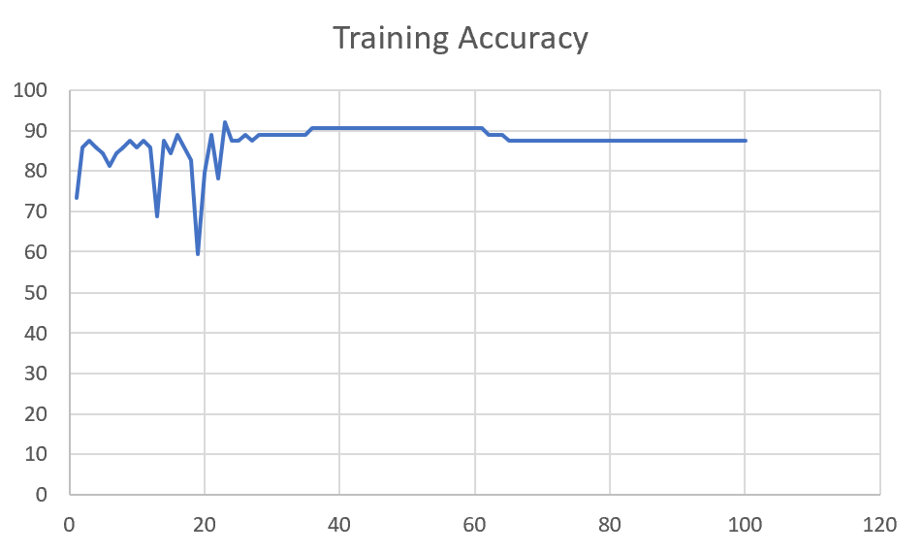 | 91 | 0

M14 | Augmented_M14_D3 | 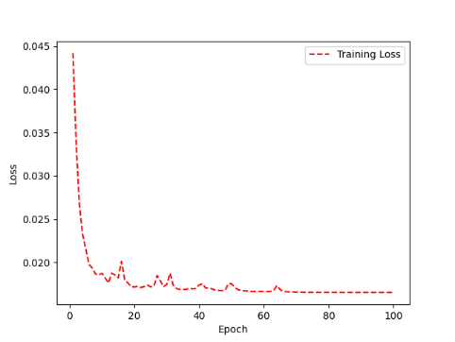 | 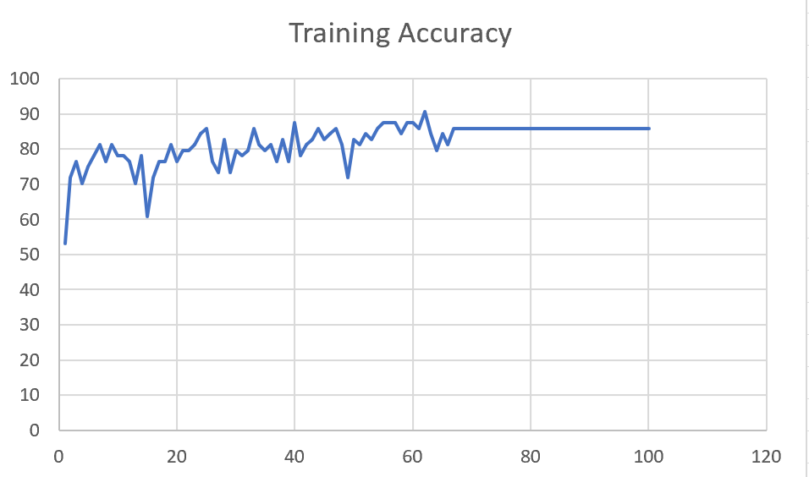 | 85 | 3

 | Augmented_M14_T3+D1

M09 | Augmented_M09_D3

 | Augmented_M09_TE

Sheet1
 |  |  | Training Accuracy
0 | 0.46875 | 1 | 53.125
1 | 0.28125 | 2 | 71.875
2 | 0.234375 | 3 | 76.5625
3 | 0.296875 | 4 | 70.3125
4 | 0.25 | 5 | 75
5 | 0.21875 | 6 | 78.125
6 | 0.1875 | 7 | 81.25
7 | 0.234375 | 8 | 76.5625
8 | 0.1875 | 9 | 81.25
9 | 0.21875 | 10 | 78.125
10 | 0.21875 | 11 | 78.125
11 | 0.234375 | 12 | 76.5625
12 | 0.296875 | 13 | 70.3125
13 | 0.21875 | 14 | 78.125
14 | 0.390625 | 15 | 60.9375
15 | 0.28125 | 16 | 71.875
16 | 0.234375 | 17 | 76.5625
17 | 0.234375 | 18 | 76.5625
18 | 0.1875 | 19 | 81.25
19 | 0.234375 | 20 | 76.5625
20 | 0.203125 | 21 | 79.6875
21 | 0.203125 | 22 | 79.6875
22 | 0.1875 | 23 | 81.25
23 | 0.15625 | 24 | 84.375
24 | 0.140625 | 25 | 85.9375
25 | 0.234375 | 26 | 76.5625
26 | 0.265625 | 27 | 73.4375
27 | 0.171875 | 28 | 82.8125
28 | 0.265625 | 29 | 73.4375
29 | 0.203125 | 30 | 79.6875
30 | 0.21875 | 31 | 78.125
31 | 0.203125 | 32 | 79.6875
32 | 0.140625 | 33 | 85.9375
33 | 0.1875 | 34 | 81.25
34 | 0.203125 | 35 | 79.6875
35 | 0.1875 | 36 | 81.25
36 | 0.234375 | 37 | 76.5625
37 | 0.171875 | 38 | 82.8125
38 | 0.234375 | 39 | 76.5625
39 | 0.125 | 40 | 87.5
40 | 0.21875 | 41 | 78.125
41 | 0.1875 | 42 | 81.25
42 | 0.171875 | 43 | 82.8125
43 | 0.140625 | 44 | 85.9375
44 | 0.171875 | 45 | 82.8125
45 | 0.15625 | 46 | 84.375
46 | 0.140625 | 47 | 85.9375
47 | 0.1875 | 48 | 81.25
48 | 0.28125 | 49 | 71.875
49 | 0.171875 | 50 | 82.8125
50 | 0.1875 | 51 | 81.25
51 | 0.15625 | 52 | 84.375
52 | 0.171875 | 53 | 82.8125
53 | 0.140625 | 54 | 85.9375
54 | 0.125 | 55 | 87.5
55 | 0.125 | 56 | 87.5
56 | 0.125 | 57 | 87.5
57 | 0.15625 | 58 | 84.375
58 | 0.125 | 59 | 87.5
59 | 0.125 | 60 | 87.5
60 | 0.140625 | 61 | 85.9375
61 | 0.09375 | 62 | 90.625
62 | 0.15625 | 63 | 84.375
63 | 0.203125 | 64 | 79.6875
64 | 0.15625 | 65 | 84.375
65 | 0.1875 | 66 | 81.25
66 | 0.140625 | 67 | 85.9375
67 | 0.140625 | 68 | 85.9375
68 | 0.140625 | 69 | 85.9375
69 | 0.140625 | 70 | 85.9375
70 | 0.140625 | 71 | 85.9375
71 | 0.140625 | 72 | 85.9375
72 | 0.140625 | 73 | 85.9375
73 | 0.140625 | 74 | 85.9375
74 | 0.140625 | 75 | 85.9375
75 | 0.140625 | 76 | 85.9375
76 | 0.140625 | 77 | 85.9375
77 | 0.140625 | 78 | 85.9375
78 | 0.140625 | 79 | 85.9375
79 | 0.140625 | 80 | 85.9375
80 | 0.140625 | 81 | 85.9375
81 | 0.140625 | 82 | 85.9375
82 | 0.140625 | 83 | 85.9375
83 | 0.140625 | 84 | 85.9375
84 | 0.140625 | 85 | 85.9375
85 | 0.140625 | 86 | 85.9375
86 | 0.140625 | 87 | 85.9375
87 | 0.140625 | 88 | 85.9375
88 | 0.140625 | 89 | 85.9375
89 | 0.140625 | 90 | 85.9375
90 | 0.140625 | 91 | 85.9375
91 | 0.140625 | 92 | 85.9375
92 | 0.140625 | 93 | 85.9375
93 | 0.140625 | 94 | 85.9375
94 | 0.140625 | 95 | 85.9375
95 | 0.140625 | 96 | 85.9375
96 | 0.140625 | 97 | 85.9375
97 | 0.140625 | 98 | 85.9375
98 | 0.140625 | 99 | 85.9375
99 | 0.140625 | 100 | 85.9375
<__main__.DisplayOutputs object at 0x7f80b52a8b50> | 0.140625 | #VALUE! | 85.9375
<__main__.DisplayOutputs object at 0x7f80b52a8b50> | 0 | #VALUE! | 100
<__main__.DisplayOutputs object at 0x7f80b52a8b50> | 0.15625 | #VALUE! | 84.375
<__main__.DisplayOutputs object at 0x7f80b52a8b50> | 0.203125 | #VALUE! | 79.6875
<__main__.DisplayOutputs object at 0x7f80b52a8b50> | 0.15625 | #VALUE! | 84.375
<__main__.DisplayOutputs object at 0x7f80b52a8b50> | 0.15625 | #VALUE! | 84.375
<__main__.DisplayOutputs object at 0x7f80b52a8b50> | 0.09375 | #VALUE! | 90.625
<__main__.DisplayOutputs object at 0x7f80b52a8b50> | 0.171875 | #VALUE! | 82.8125
<__main__.DisplayOutputs object at 0x7f80b52a8b50> | 0.171875 | #VALUE! | 82.8125
<__main__.DisplayOutputs object at 0x7f80b52a8b50> | 0.125 | #VALUE! | 87.5
<__main__.DisplayOutputs object at 0x7f80b52a8b50> | 0.09375 | #VALUE! | 90.625
<__main__.DisplayOutputs object at 0x7f80b52a8b50> | 0.203125 | #VALUE! | 79.6875
<__main__.DisplayOutputs object at 0x7f80b52a8b50> | 0.171875 | #VALUE! | 82.8125
<__main__.DisplayOutputs object at 0x7f80b52a8b50> | 0.171875 | #VALUE! | 82.8125
<__main__.DisplayOutputs object at 0x7f80b52a8b50> | 0.09375 | #VALUE! | 90.625
<__main__.DisplayOutputs object at 0x7f80b52a8b50> | 0.234375 | #VALUE! | 76.5625
<__main__.DisplayOutputs object at 0x7f80b52a8b50> | 0.13114754098 | #VALUE! | 86.885245902
<__main__.DisplayOutputs object at 0x7fcfe04bb910> | 0.640625
<__main__.DisplayOutputs object at 0x7fcfe04bb910> | 0.50819672131

